Lab Framework Nov 2023
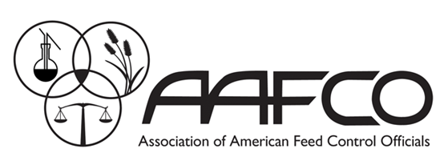 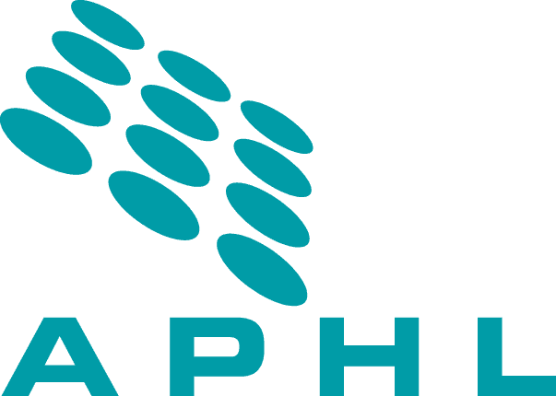 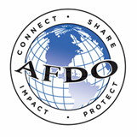 Human and Animal Food Laboratory National Curriculum Standard

Director | Leadership | Agency/Legal Requirements |  |  |  |  |  |  |  |  |  |  |  |  |  |  |  |  | Laboratory Oversight

Admin |  | Grants, Contracts, and Cooperative Agreeements |  |  |  |  |  |  |  |  |  | Management |  |  |  |  |  |  |  |  |  |  |  | Regulations, Standards, and Programs (RSPs)

Expert Core |  | Scientific Acumen

Mid (Program Specific) |  | Advanced Animal Food |  |  |  |  |  |  |  | Radiochemistry |  |  |  |  |  |  |  | Select Agents and Toxins |  |  |  |  |  |  | Shellfish |  |  |  |  |  |  | Basic Ldrshp Skills?
 |  | Advanced Gas Chromatography |  |  |  | Advanced Laboratory Techniques |  |  |  |  | Advanced Liquid Chromatography |  |  |  | Authenticity |  |  |  |  | Advanced Laboratory Techniques |  |  |  |  |  |  |  |  |  |  |  | Critical Thinking?

 |  |  |  |  |  |  |  |  |  |  |  |  |  |  |  |  |  |  |  |  |  |  |  |  |  |  |  |  |  |  |  | Essential Ldrshp Skills?
Mid Core |  | Advanced Commun-ication Skills | Advanced Quality Techniques |  | Advanced Safety |  | Advanced Waste Manage-ment |  |  |  | Audit | Emerging Analytical Challenges |  |  |  | Environmental Conditions |  |  | Evidentiary Integrity |  | Incident Detection and Response |  | Informatics / IT | Laboratory Networks, Collaborations, and Interagency Programs |  |  | Legal Proceed-ings |  | Method Evaluation and Selection |  | QMS II

Entry (Program Specific) |  | Animal Food |  |  |  |  |  | Biosafety Level 3 |  |  |  |  |  |  | Dairy Regulatory Programs |  |  |  |  |  |  | Select Agents |  |  |  |  | Shellfish Regulatory Programs

 |  | Basic Chromatography |  | Basic Separation / Extraction Techniques |  |  |  | Basic Mass Spectrometry |  |  | Basic Spectroscopy |  | Elemental Analysis |  |  | Environmental Monitoring and Investigations |  |  |  | Aseptic Techniques |  |  | Basic Foodborne Pathogens |  |  | Environmental Conditions |  |  |  | Microbiological Testing
Entry Core |  | Accredita-tion / Certification | Basic Communi-cation Skills |  | Basic Laboratory Math |  | Basic Laboratory Statistics |  | Basic Laboratory Techniques |  | Chain of Custody | Ethics |  | Incident Command System (ICS) |  | IFSS |  | LIMS |  | Laboratory Sampling |  | Method Resources | Public Health (One Health Approach) | Quality Mgt Systems |  | Regulatory Systems |  | Regulatory Sampling |  | Safety | Waste Mgt
Last Updated Nov 2023
 |  |  |  |  |  | Leadership Skills |  |  |  | Core |  |  | Chemistry |  |  |  | Microbiology |  |  |  | Specialized Labs

