Lab Framework Mar 2020
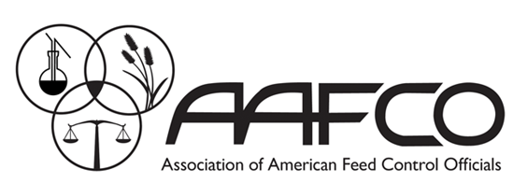 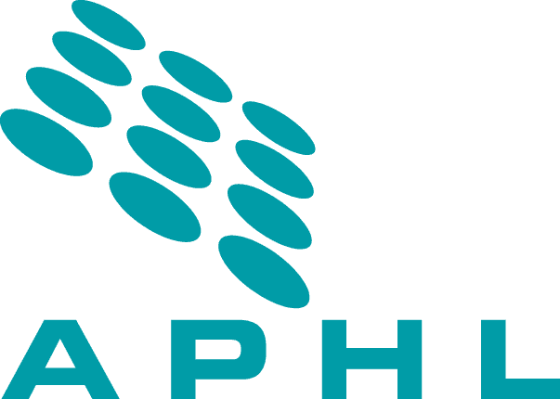 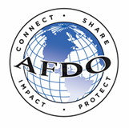 Human and Animal Food Laboratory Professionals Curriculum Framework - May, 2020

Senior Administration | Accreditation / Certification | Advocacy |  | Budget |  | Change Management |  | Continuity of Operations |  | Facility Management |  | Human Resource Management |  | ISO (Section 4) | Legislative Affairs | Leadership / Executive Program |  | Organizational Culture |  | Policy Making |  | Program / Grant Management |  | Public Relations |  | Risk Analysis (Management & Communication) |  |  | Stakeholder Support |  | Systems Analysis |  | Instructor Development |  | Project Management

Supervisor / Manager Program Specific | Advanced Chemistry |  |  |  |  |  |  | Advanced Microbiology

Supervisor / Manager | Conflict Resolution and Mediation |  |  | Incident Command System (ICS) |  |  |  | Negotiation |  |  |  | Risk Communication Introduction

Expert (Program Specific) | Certificates & Certifications
 | Animal Food |  |  | Human Food |  |  |  |  | Shellfish |  |  |  | Instrument Repair |  | Laboratory Evaluation Officer |  |  | Coaching |  |  | Nano-technology |  | Animal Health |  |  | Animal Food |  |  | Human Food |  | Shellfish

Expert | Acidified Foods |  | Advanced Leadership |  |  | Allergens |  |  | Evidence-Based Decision Making |  |  | Grant Writing |  |  | Internal Audit |  |  | Labeling |  |  | Measurement Uncertainty |  |  | Method Modification / Development |  |  | Risk Analysis |  |  | Chemistry |  |  |  | Microbiology
 |  |  |  |  |  |  |  |  |  |  |  |  |  |  |  |  |  |  |  |  |  |  |  |  |  |  |  |  |  | Validation Methods
Mid (Program Specific) | Certificates & Certifications
 | Animal Food | Animal Health |  | Dairy |  | Environmental |  |  | Human Food |  | Shellfish |  | Audit |  | Hazardous Material Shipping |  |  | Infectious Agent Shipping |  |  | Waste Manage-ment |  | Animal Food Safety |  | Animal Health |  | Food Safety |  | Environ-mental Conditions |  | Milk and Dairy Product Safety |  |  | Shellfish

 | Gas Chromatography - Mass Spectroscopy (GCMS) |  |  |  | Inductively Coupled Plasma Mass Spectrometry (ICPMS) |  |  |  |  | Liquid Chromatography - Mass Spectroscopy (LCMS) |  |  |  |  | National Laboratory Networks Methods |  |  |  |  | Radiological |  |  |  |  | Advanced Technologies |  |  |  |  |  |  | National Laboratory Networks Methods

Mid | Advanced Communication Skills |  |  | Advanced Quality Techniques |  |  |  | Basic Leadership Skills |  |  |  | Critical Thinking |  |  |  | Evidentiary Integrity |  |  | Human and Animal Food Incident Response |  |  |  | Laboratory Networks, Collaborations, and Interagency Programs |  |  |  | Legal Proceedings |  |  |  | Method Evaluation and Selection |  |  |  | Root Cause Analysis
Entry (Program Specific) | Certificates & Certifications
 | Animal Food |  |  |  |  |  | Biosafety Level 3 |  |  |  |  |  |  |  | Dairy Regulatory Programs |  |  |  |  |  |  |  | Select Agents |  |  |  |  |  |  |  | Shellfish Regulatory Programs

 | Basic Chromatography |  |  | Basic Separation / Extraction Techniques |  |  |  |  | Basic Mass Spectrometry |  |  |  | Basic Spectroscopy |  |  |  | Environmental Monitoring and Investigations |  |  |  | Aseptic Techniques |  |  |  | Basic Foodborne Pathogens |  |  |  |  | Environmental Conditions |  |  |  | Microbiological Testing
Entry | Accreditation/ Certification | Basic Communication Skills |  | Basic Laboratory Math |  | Basic Laboratory Statistics |  | Basic Laboratory Techniques |  | Chain of Custody |  | Ethics |  | Incident Command System (ICS) |  | Integrated Food Safety System (IFSS) |  | Laboratory Information Management System (LIMS) |  |  | Laboratory Sampling |  | Method Resources |  | Public Health (One Health) Approach |  |  | Quality Management Systems |  | Regulatory Programs |  | Regulatory Sampling |  | Safety |  | Waste Management

