LIMS User Interface Example
The suggested user interface (mock-ups) below are intended to show the interface layout and the needed UI controls. There are no code snippets included since each implementation can use its own programming language.

Lookups application manages the value sets that will be used during the sample workflow for various data elements.

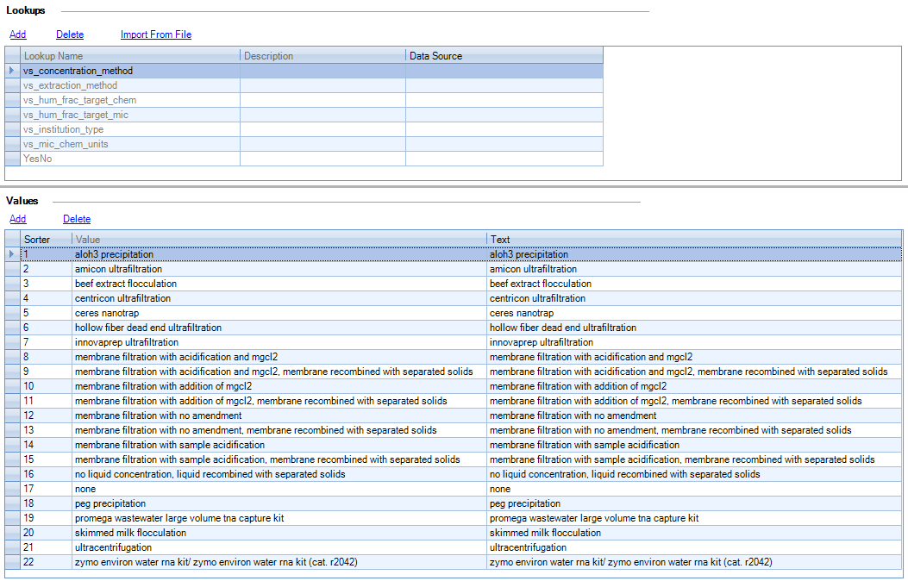

 | Button | Role
 | Add | adds a new record in the LOOKUPS table
 | Delete | deletes a record from the LOOKUPS table
 | Import From File | imports lookups and their values from a file (e.g. CSV file)

 | Add | adds a new record in the LOOKUPS_VALUES table
 | Delete | deletes a record from the LOOKUPS_VALUES table

Sample Login application manages the accessioning step in the sample workflow

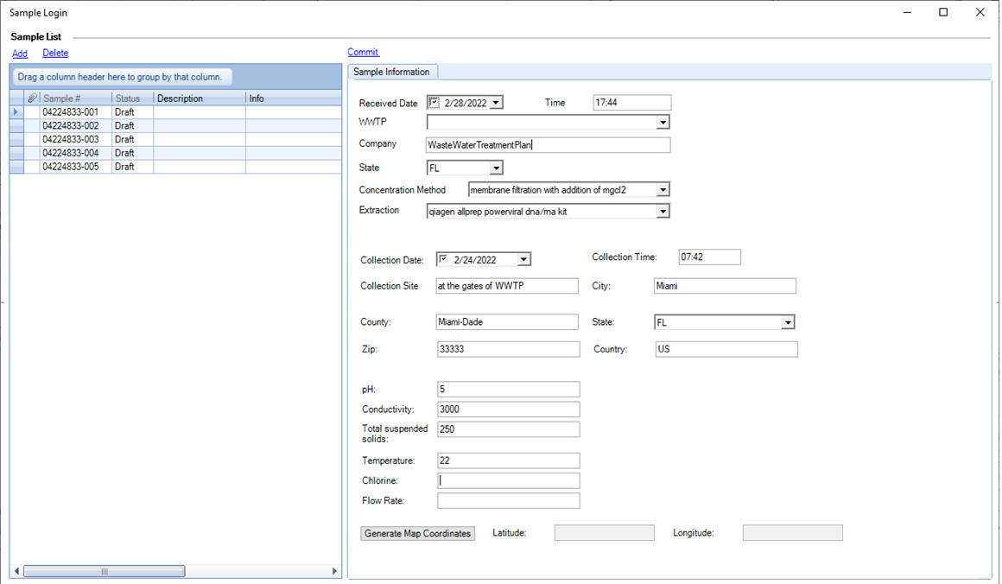

 | Button | Role
 | Add | creates a new record in the SAMPLES table
 | Delete | deletes a record from the SAMPLES table
 | Commit | updates the status of SAMPLES record to move the sample to the next workflow step

Sample Results Entry application manages the results entry step during the sample workflow

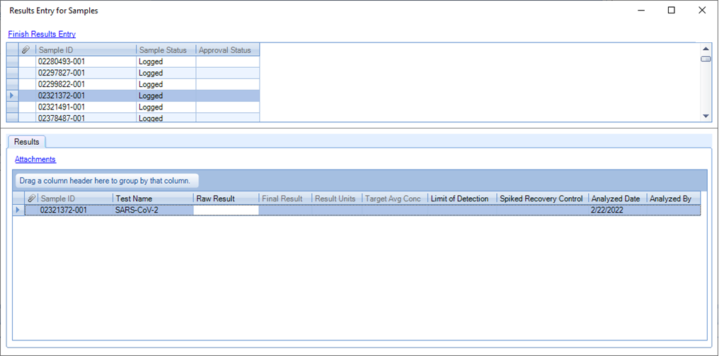

 | Button | Role
 | Finish Results Entry | updates the result status of SAMPLE_RESULTS records to move the sample to the next workflow step
 | Attachments | allows the addition of attachments for the results

Data Export Interfaces application manages the export of data from the system into the desired format (CSV in this case). The processrelies on a set of mappings to database table fields that correspond to each element in the CSV file.

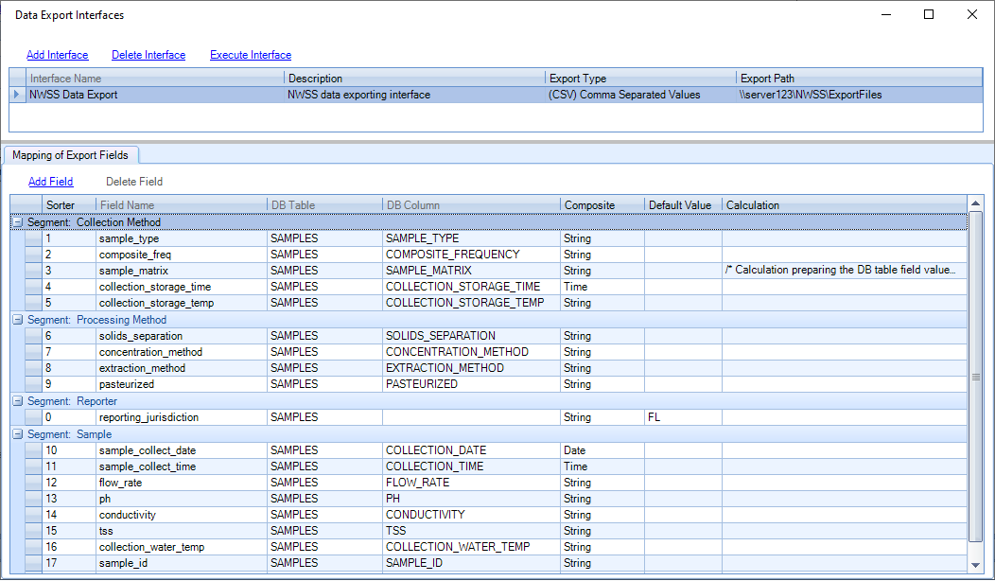

 | Button | Role
 | Add Interface | adds a new data export interface
 | Delete Interface | deletes a data export interface
 | Execute Interface | executes the data export for the selected interface to generate the desired file

 | Add Field | adds a new mapping field to the data export interface
 | Delete Field | deletes a mapping field from the data export interface

